Syllabus
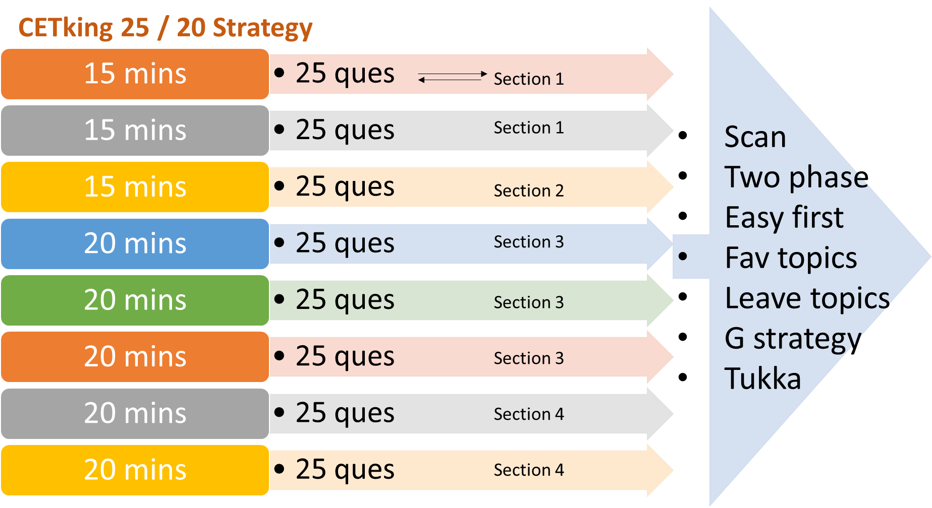
CET Study Plan

Quant | Logic | Verbal | Abstract | Sectional Test | Mock Test
Linear Equations | Coding-Decoding | Short RC | Series | LR | Mock
HCF & LCM | Blood Relations | Long RC | Odd One Out | Quant | Mock
Sum of Numbers | Direction Sense | Para Jumbles | Pattern Cutting Folding | VA, Abstract | Mock
Profit and Loss | Syllogism | Synonyms | Figure Counting | LR | Mock
A&B time work | Input-Output | Fill in blanks | Analogy | Quant | Mock
Mixtures & Alligations | Number Series | Sentence Correction | Water Mirror Image | VA, Abstract | Mock
Mensuration 3D | Venn Diagram | Idioms & Phrases | Cubes & Dice | LR | Mock
Ratio & Proportion | Order & Ranking | Error Detection | Pattern Completion | Quant | Mock
Boats and Streams | Alphabet Test | Parts of Speech | Venn Diagram | VA, Abstract | Mock
AP GP Progressions | Alphanumeric Series | Analogies | Series | LR | Mock
Probability | Analogy | Antonyms | Odd One Out | Quant | Mock
PnC | Classification | Spelling | Pattern Cutting Folding | VA, Abstract | Mock
Averages | Cubes & Dice | Odd Man Out | Figure Counting | LR | Mock
Trains TSD | Decision Making | Short RC | Analogy | Quant | Mock
Mensuration 2D | Clocks & Calendars | Long RC | Water Mirror Image | VA, Abstract | Mock
Triangles | Math Operations | Para Jumbles | Cubes & Dice | LR | Mock
Percentages | Letter Analogy Classific | Synonyms | Pattern Completion | Quant | Mock
Pipe Cistern | Data Sufficiency | Fill in blanks | Venn Diagram | VA, Abstract | Mock
DI Pie Charts | Matrix Arrangement | Sentence Correction | Series | LR | Mock
SI & CI | Linear Circular | Idioms & Phrases | Odd One Out | Quant | Mock
Roads & Races | Comparison | Error Detection | Pattern Cutting Folding | VA, Abstract | Mock
Simplification | Floor Box Schedule | Parts of Speech | Figure Counting | LR | Mock
Partnership | Parallel Arrangement | Analogies | Analogy | Quant | Mock
ManDays | Assumptions | Antonyms | Water Mirror Image | VA, Abstract | Mock
Remainder Theorem | Assertion & Reason | Spelling | Cubes & Dice | LR | Mock
Algebric Identities | Conclusions | Odd Man Out | Pattern Completion | Quant | Mock
Divisibility Rules | Cause and Effect | Revision | Venn Diagram | VA, Abstract | Mock
Unit Digit | Course of Action | Revision | Revision | LR | Mock
Line Graphs | Revision | Revision | Revision | Revision | No Mock
Surds and Indices | Revision | Revision | Revision | Revision | No Mock
Heights & Distances | Revision | Revision | Revision | Revision | No Mock
CET 1 Dday!

Time | 80 | 100 | 120 | 140
30 | 20 | 25 | 30 | 35
15 | 10 | 15 | 20 | 20
65 | 35 | 40 | 45 | 50
40 | 15 | 20 | 25 | 35
150

